Decision Tree
 |  | Formula |  | Calculation |  | Value
gain(CHILDREN) | = | info([4,6])-info([2,4],[2,2]) | = | 0.971-(6/10*0.918+4/10*1) | = | 0.020 | [bits] |  | Values for logs (base 2):
 |  |  |  | see calculations at (J14: O22)
gain(TPATTERN) | = | info([4,6])-info([2,1],[1,2],[1,3]) | = | 0.971-(3/10*0.918+3/10*0.918+4/10*0.811) | = | 0.096 | [bits] |  |  | log 1 = 0 |  | log 7 = 2.81
 |  |  |  |  |  |  |  |  |  | log 2 = 1 |  | log 8 = 3
gain(PTRANSPORT) | = | info([4,6])-info([1,4],[3,2]) | = | 0.971-(5/10*0.722+5/10*0.971) | = | 0.124 | [bits] |  |  | log 3 = 1.58 |  | log 9 = 3.17
 |  |  |  |  |  |  |  |  |  | log 4 = 2 |  | log 10 = 3.32
Continue the calculations as needed. |  |  |  |  |  |  |  |  |  | log 5 = 2.32 |  | log 11 = 3.46
PTRANSPORT=poor |  |  |  |  |  |  |  |  |  | log 6 = 2.58 |  | log 12 = 3.58
gain(CHILDREN) | = | info(4,1)-info([0,3],[1,1]) | = | 0.722-(3/5*0+2/5*1) | = | 0.322 | [bits]
 |  |  |  | see calculations at (M31: S42) |  |  |  | <- tie: children wins
gain(TPATTERN) | = | info(4,1)-info([1,1],[0,2],[0,1]) | = | 0.722-(2/5*1+2/5*0+1/5*0) | = | 0.322 | [bits] |  | Note: Use the fact that (log k/n) = (log k – log n)
PTRANSPORT=fine
gain(CHILDREN) | = | info(3,2)-info([2,1],[1,1]) | = | 0.971-(3/5*0.918+2/5*1) | = | 0.020 | [bits] |  | info(4,6) | 0.971
 |  |  |  |  |  |  |  |  | info(2,4) | 0.918 |  | info(2,1) | 0.918
gain(TPATTERN) | = | info(3,2)-info([1,0],[1,0],[1,2]) | = | 0.971-(1/5*0+1/5*0+3/5*0.918) | = | 0.420 | [bits] |  | info(2,2) | 1.000 |  | info(1,2) | 0.918
 |  |  |  |  |  |  |  |  | info([2,4],[2,2]) |  | 0.951 | info(1,3) | 0.811
 |  | What is the resubstitution error for the (ID3) decision tree predictor? |  |  | 1/10 |  |  |  |  |  |  | info([2,1],[1,2],[1,3]) | 0.875

 |  |  |  |  |  |  |  |  |  |  |  | info(1,4) | 0.722
 |  | Draw the final decision tree! (Please insert an image, created by the tool of your choice.) |  |  |  |  | Prediction for ND1: |  | yes |  |  | info(3,2) | 0.971
 |  | 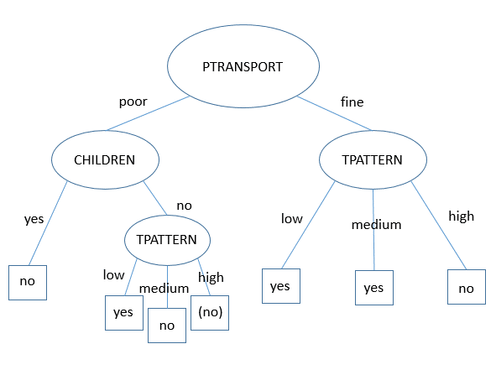 |  |  |  |  |  |  |  |  |  | info([1,4],[3,2]) | 0.846

 |  |  |  |  |  |  | Prediction for ND2: |  | no

 |  |  |  |  |  |  | Prediction for ND3: |  | no

 |  |  |  |  |  |  | CHILDREN | TPATTERN | PTRANSPORT | CARSHARING |  | PTRANSPORT=poor | info before split: | info(4,1) | 0.722
 |  |  |  |  |  |  | yes | low | poor | no |  | gain(CHILDREN) | info(4,1)-info([0,3],[1,1]) | info(0,3) | 0
 |  |  |  |  |  |  | yes | high | fine | no |  |  |  | info(1,1) | 1
 |  |  |  |  |  |  | yes | medium | poor | no |  | gain(TPATTERN) | info(4,1)-info([1,1],[0,2],[0,1]) | info(1,1) | 1
 |  |  |  |  |  |  | yes | low | fine | yes |  |  |  | info(0,2) | 0
 |  |  |  |  |  |  | no | medium | fine | yes |  |  |  | info(0,1) | 0
 |  |  |  |  |  | <- tie: no wins | no | medium | poor | no |  | PTRANSPORT=fine | info before split: | info(3,2) | 0.971
 |  |  |  |  |  |  | yes | high | fine | yes |  | gain(CHILDREN) | info(3,2)-info([2,1],[1,1]) | info(2,1) | 0.918
 |  |  |  |  |  |  | no | high | fine | no |  |  |  | info(1,1) | 1
 |  |  |  |  |  |  | no | low | poor | yes |  | gain(TPATTERN) | info(3,2)-info([1,0],[1,0],[1,2]) | info(1,0) | 0
 |  |  |  |  |  |  | yes | high | poor | no |  |  |  | info(1,0) | 0
 |  |  |  |  |  |  |  |  |  |  |  |  |  | infp(1,2) | 0.918

