Decision Tree
 |  | Formula |  | Calculation |  | Value
gain(CHILDREN) | = | info([4,6]) - info([2,4], [2,2]) | = | 0.971 - (0.6 * 0.918 + 0.4 * 1) | = | 0.019973094022 | [bits] | Values for logs (base 2):

gain(TPATTERN) | = | info([4,6]) - info([2,1], [1,2], [1,3]) | = | 0.971 - (0.3 * 0.918 + 0.3 * 0.918 + 0.4 * 0.811) | = | 0.050983927147 | [bits] |  | log 1 = 0 | log 7 = 2.81
 |  |  |  |  |  |  |  |  | log 2 = 1 | log 8 = 3
gain(PTRANSPORT) | = | info([4,6]) - info([1,4], [3,2]) | = | 0.971 - (0.5 0.722 + 5/10 * 0.971) | = | 0.124 | [bits] |  | log 3 = 1.58 | log 9 = 3.17
 |  |  |  |  |  |  |  |  | log 4 = 2 | log 10 = 3.32
Continue the calculations as needed. | = | info(4,1) - info([0,3], [1,1]) | = | 0.722 - (3/5 * 0 + 2/5 * 1) | = | 0.322 | [bits] |  | log 5 = 2.32 | log 11 = 3.46
 |  |  |  |  |  |  |  |  | log 6 = 2.58 | log 12 = 3.58
 | = | info(4,1) - info([1,1], [0,2], [0,1]) | = | 0.722 - (2/5 * 1 + 2/5 * 0 + 1/5 *0) | = | 0.322 | [bits]

 | = | info(3,2) - info([2,1], [1,1]) | = | 0.971 - (3/5 * 0.918 + 2/5 * 1) | = | 0.020 | [bits] | Note: Use the fact that (log k/n) = (log k – log n)

 | = | info(3,2) - info([1,0], [1,0], [1,2]) | = | 0.971 - (1/5 * 0 + 1/5 * 0 + 3/5 * 0.918) | = | 0.420 | [bits]

 |  | What is the resubstitution error for the (ID3) decision tree predictor? |  |  | 1/10

 |  | Draw the final decision tree! (Please insert an image, created by the tool of your choice.) |  |  |  |  | Prediction for ND1: | yes
 |  | 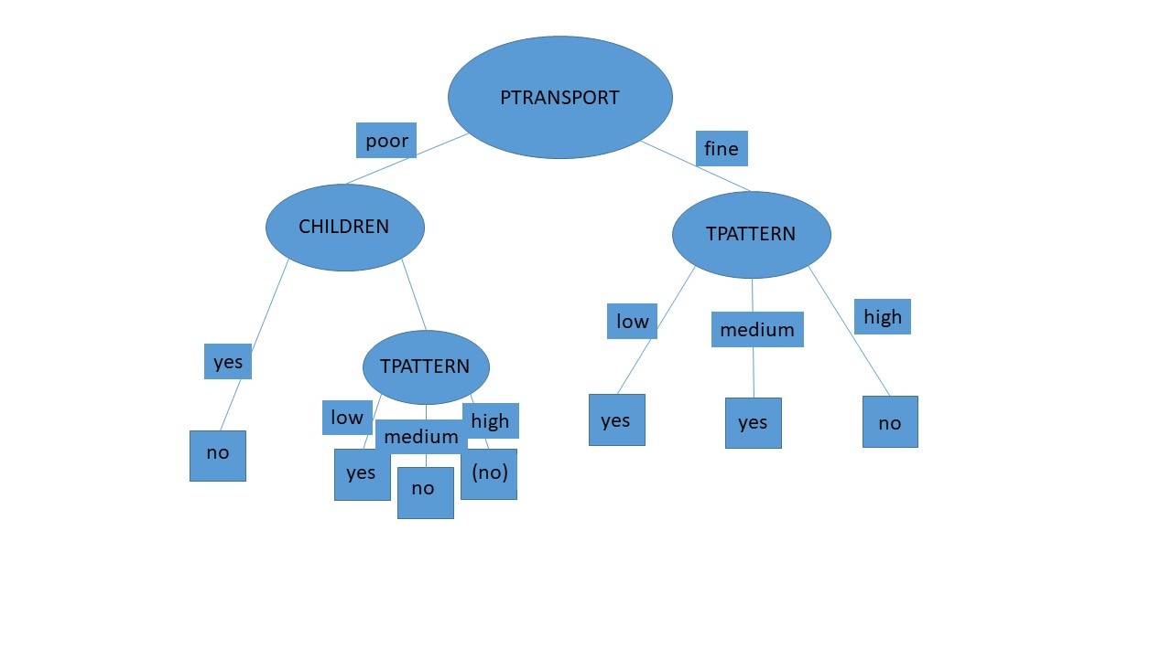

 |  |  |  |  |  |  | Prediction for ND2: | no

 |  |  |  |  |  |  | Prediction for ND3: | no

info([4,6]) |  | 0.97095059445

Weka
 | Create an .arff file from the data and check the dataset with the same three algorithms, including creating the model and applying it to the new data. Do not perform this time a real validation (neither cross validation, nor a separate test set, …), so that we are in line with the calculations by hand. Compare the models and resubstitution errors with your own results. Give possible explanations for the differences (if any).

1R
 | Manual |  |  |  | Weka |  |  |  | Comparison, explanation
Model | IF ptransport= poor THEN carsharing=no |  |  |  | TPATTERN: |  |  |  | Both tpattern and ptransport have the same total error rate attributes, so we chose ptransport based on alphabetical order. Choice of Weka is TPATTERN.
 | IF ptransport= fine THEN carsharing=yes |  |  |  |  | low | -> yes
 |  |  |  |  |  | high | -> no
 |  |  |  |  |  | medium | -> no

Resubstitution error |  | 3/10 |  |  |  | 3/10 |  |  | The resubstitution error is the same in both manual and weka computation

 |  | Prediction |  | Probability |  | Prediction |  | Probability
ND1 |  | yes |  | 3/5 |  | yes |  | 2/3 | Weka uses different test data, so that might be the reason why probability values of Weka is higher than manual values
ND2 |  | yes |  | 3/5 |  | no |  | 3/4
ND3 |  | yes |  | 3/5 |  | no |  | 3/4

Naïve Bayes
 | Manual |  |  |  | Weka |  |  |  | Comparison, explanation
Model |  |  |  |  | Naive Bayes Classifier |  |  |  | The main difference between the two models, that Weka uses automatic Laplace estimator.
 |  | CHILDREN
 |  |  | yes | no | Class
 |  | yes | 2 | 4 | Attribute no yes
 |  | no | 2 | 2 | (0.58) (0.42)
 |  |  |  |  | =============================
 |  | TPATTERN |  |  | CHILDREN
 |  |  | yes | no | yes 5.0 3.0
 |  | low | 2 | 1 | no 3.0 3.0
 |  | medium | 1 | 2 | [total] 8.0 6.0
 |  | high | 1 | 3
 |  |  |  |  | TPATTERN
 |  | PTRANSPORT |  |  | low 2.0 3.0
 |  |  | yes | no | high 4.0 2.0
 |  | poor | 1 | 4 | medium 3.0 2.0
 |  | fine | 3 | 2 | [total] 9.0 7.0

 |  |  |  |  | PTRANSPORT
 |  |  |  |  | poor 5.0 2.0
 |  |  |  |  | fine 3.0 4.0
 |  |  |  |  | [total] 8.0 6.0

Resubstitution error |  | 2/10 |  |  |  | 3/10

 |  | Prediction |  | Probability |  | Prediction |  | Probability
ND1 |  | yes |  | 0.871 |  | yes |  | 0.766 | Weka uses a slightly different algorithm that might use Laplace estimatior that explains difference, but that difference is minor - meaning that they are in the same magnitude.
ND2 |  | no |  | 0.64 |  | no |  | 0.605
ND3 |  | no |  | 0.571 |  | no |  | 0.551

Decision Tree (ID3)
 | Manual |  |  |  | Weka |  |  |  | Comparison, explanation
Model | 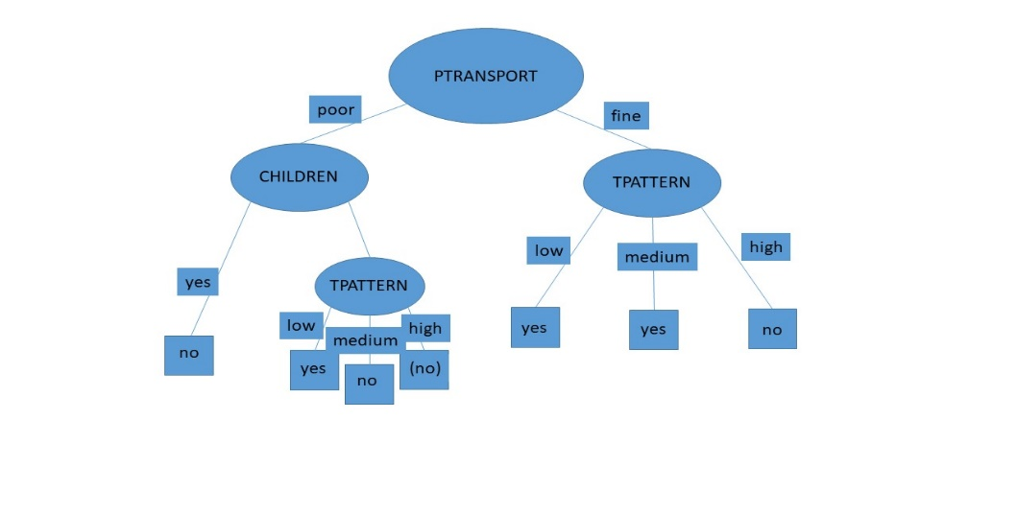 |  |  |  | PTRANSPORT = poor |  |  |  | The two models are essentially the same. The minor difference is, that weka separated on the ptransport-fine; tpattern-high brach based on children, which both gives no, so I decided to merge them.
 |  |  |  |  | | CHILDREN = yes: no
 |  |  |  |  | | CHILDREN = no
 |  |  |  |  | | | TPATTERN = low: yes
 |  |  |  |  | | | TPATTERN = high: null
 |  |  |  |  | | | TPATTERN = medium: no
 |  |  |  |  | PTRANSPORT = fine
 |  |  |  |  | | TPATTERN = low: yes
 |  |  |  |  | | TPATTERN = high
 |  |  |  |  | | | CHILDREN = yes: no
 |  |  |  |  | | | CHILDREN = no: no
 |  |  |  |  | | TPATTERN = medium: yes

Resubstitution error |  | 1/10 |  |  |  | 1/10 |  |  | The resubstitution error is the same in that case

 |  | Prediction |  | Probability |  | Prediction |  | Probability
ND1 |  | yes |  | 1 |  | yes |  | 1 | Laplace model gives us a method to estimate probability of missing values, but Weka does not depends on that features, so it cannot handle missing values.
ND2 |  | no |  | 0.666 |  | no |  | 0.5
ND3 |  | no |  | 0.666 |  | - |  | -

